Entry Form Muehlen

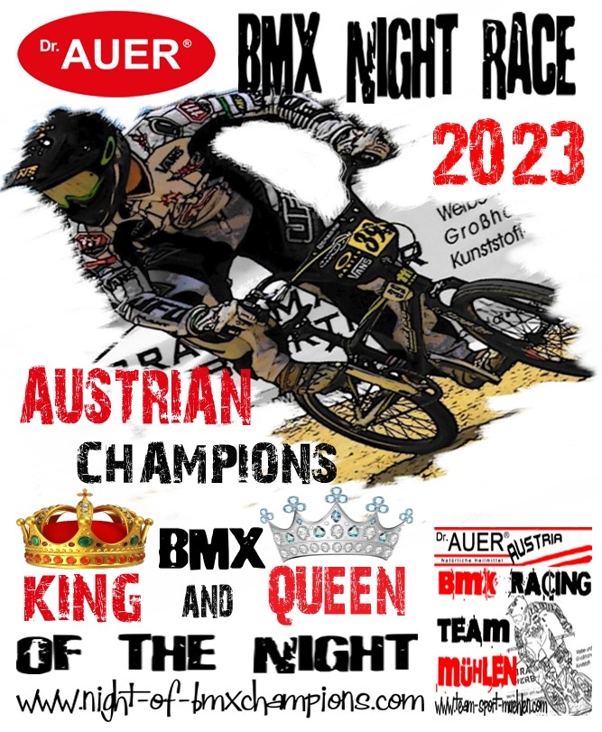
 |  |  | ENTRY FORM
 |  |  |  |  |  |  |  | Organizer | BMX Team-Sport-Mühlen
 |  |  | Dr. AUER ALPE ADRIA CUP & CLUB-CHAMPIONSHIP |  |  |  |  |  | Mühlen 42
 |  |  |  |  |  |  |  |  | 8822 Mühlen / AUSTRIA
 |  |  | Dr. Auer BMX-ARENA - Mühlen 19./20. August 2023 |  |  |  |  |  | office@team-sport-muehlen.com

9° ROUND ALPE ADRIA BMX CHAMPIONSHIP 2023: Saturday 19. August 2023
Dr. AUER Night-Race - AUSTRIAN BMX CHAMPION King&Queen of the NIGHT 2023: Saturday 19. August 2023
10° ROUND ALPE ADRIA BMX CHAMPIONSHIP 2023: Sunday 20. August 2023
 | CLUB
 | Adress 1
 | Postal Code
 | Team Manager
 | Country

 |  | REGISTRATION DEADLINE: Sunday - 13/08/2023 at 00:00
 | Entry fee : | Boys categories € 15,00 (per race)
 | Class : | Boys -8; Boys Boys 9-10; Boys 11-12; Boys 13-14

 |  | Entry fee : | Boys, Men/Woman and Cruiser categories € 20,00 (per race)
 |  | Class : | Boys 15-16; Men/Women 17+; Cruiser -29 and Cruiser 30+

 | Entry fee : | Night-Race OPEN Race € 15,00
 | Class : | Mini Champions 16“ und 20” - 7; Junior-Champions Open 8 - 9

 |  | Entry fee : | Night-Race OPEN Race € 20,00
 |  | Class : | Junior-Champions Open 10 - 13; King&Queen - Super-Champions Open 14+

 | Entry fee : | Amateure - all categories € 10,00 (per race)
 | Class : | Amateurs - 6 _ 16 inch; Amateurs - 6; Amateurs 7/8; Amateurs 9/10; Amateurs 11/12; Amateurs 13+

 | Payment of entry fees in cash at registration desk (Only for Team Manager)
 |  | Riders which are not preregistered on this form or miss the dealine pay 10,- € more!
Nr | Klasse/Class | Plate Nr. | Family name/ first name | Nation | birth date | UCI-Code | Camping | Team-Tent | saturday | Night-Race | sunday | Entry fee Euros
1 |  |  |  |  |  |  |  |  |  |  |  | 0.00 €
2 |  |  |  |  |  |  |  |  |  |  |  | 0.00 €
3 |  |  |  |  |  |  |  |  |  |  |  | 0.00 €
4 |  |  |  |  |  |  |  |  |  |  |  | 0.00 €
5 |  |  |  |  |  |  |  |  |  |  |  | 0.00 €
6 |  |  |  |  |  |  |  |  |  |  |  | 0.00 €
7 |  |  |  |  |  |  |  |  |  |  |  | 0.00 €
8 |  |  |  |  |  |  |  |  |  |  |  | 0.00 €
9 |  |  |  |  |  |  |  |  |  |  |  | 0.00 €
10 |  |  |  |  |  |  |  |  |  |  |  | 0.00 €
11 |  |  |  |  |  |  |  |  |  |  |  | 0.00 €
12 |  |  |  |  |  |  |  |  |  |  |  | 0.00 €
13 |  |  |  |  |  |  |  |  |  |  |  | 0.00 €
14 |  |  |  |  |  |  |  |  |  |  |  | 0.00 €
15 |  |  |  |  |  |  |  |  |  |  |  | 0.00 €
16 |  |  |  |  |  |  |  |  |  |  |  | 0.00 €
17 |  |  |  |  |  |  |  |  |  |  |  | 0.00 €
18 |  |  |  |  |  |  |  |  |  |  |  | 0.00 €
19 |  |  |  |  |  |  |  |  |  |  |  | 0.00 €
20 |  |  |  |  |  |  |  |  |  |  |  | 0.00 €
 |  |  |  |  |  |  |  |  |  | TOTAL |  | 0.00 €

 | Race will be scored with a specific BMX scoring software system, transponders and photo finish -
 | following the UCI rules. Each rider - License and Amateur - will get a transponder at registration.

 | For camper and team area reservation (it's free)– send us the details.

 | qqqqq | Return this form by email to: |  | office@team-sport-muehlen.com

